Company1
Date | Open | High | Low | Close | Adj Close | Volume | Nike Inc.
Mar 9, 2026 | 55.74 | 57.24 | 55.39 | 56.08 | 56.08 | 33,735,200.00
Mar 2, 2026 | 59.90 | 61.53 | 56.76 | 57.01 | 56.63 | 87,108,800.00
Feb 23, 2026 | 64.60 | 65.06 | 61.52 | 62.18 | 61.77 | 69,882,200.00
Open, High, Low и Close
Feb 16, 2026 | 62.94 | 68.49 | 62.94 | 65.40 | 64.97 | 67,774,100.00
Feb 9, 2026 | 63.57 | 64.19 | 60.85 | 63.13 | 62.71 | 75,219,400.00
Feb 2, 2026 | 61.66 | 64.58 | 60.43 | 63.92 | 63.50 | 73,753,800.00
Jan 26, 2026 | 64.81 | 65.64 | 61.02 | 61.81 | 61.40 | 65,714,800.00
Jan 19, 2026 | 63.49 | 66.55 | 63.02 | 65.04 | 64.61 | 60,670,000.00
Jan 12, 2026 | 65.25 | 67.13 | 63.68 | 64.38 | 63.96 | 72,723,700.00
Jan 5, 2026 | 63.74 | 66.54 | 61.70 | 65.92 | 65.49 | 101,784,100.00
Dec 29, 2025 | 60.54 | 64.20 | 60.51 | 63.28 | 62.86 | 89,311,400.00
Dec 22, 2025 | 58.99 | 60.93 | 56.99 | 60.93 | 60.53 | 120,349,500.00
Dec 15, 2025 | 67.41 | 68.35 | 58.22 | 58.71 | 58.32 | 189,172,400.00
Dec 8, 2025 | 65.60 | 69.14 | 62.97 | 67.47 | 67.03 | 73,452,300.00
Dec 1, 2025 | 63.77 | 66.66 | 63.58 | 65.86 | 65.01 | 54,664,200.00
Nov 24, 2025 | 62.51 | 64.87 | 61.87 | 64.63 | 63.80 | 46,941,300.00
Nov 17, 2025 | 63.07 | 63.83 | 61.41 | 62.80 | 61.99 | 69,774,900.00
Nov 10, 2025 | 61.75 | 66.26 | 60.49 | 64.17 | 63.34 | 85,205,400.00
Nov 3, 2025 | 64.72 | 64.85 | 60.29 | 61.09 | 60.30 | 88,007,900.00
Oct 27, 2025 | 70.04 | 70.44 | 64.25 | 64.59 | 63.76 | 67,961,300.00
Oct 20, 2025 | 67.56 | 70.08 | 67.41 | 69.11 | 68.22 | 43,653,100.00
Oct 13, 2025 | 65.70 | 69.53 | 65.55 | 67.37 | 66.50 | 61,080,100.00
Oct 6, 2025 | 72.02 | 72.39 | 64.88 | 65.22 | 64.38 | 76,676,400.00
Sep 29, 2025 | 69.77 | 76.97 | 68.74 | 71.93 | 71.00 | 162,018,200.00
Sep 22, 2025 | 70.79 | 72.49 | 68.03 | 69.31 | 68.42 | 61,496,100.00
Sep 15, 2025 | 73.18 | 73.60 | 70.74 | 70.89 | 69.98 | 78,580,100.00
Sep 8, 2025 | 74.26 | 75.53 | 71.93 | 73.00 | 72.06 | 55,502,200.00
Sep 1, 2025 | 75.64 | 76.05 | 73.63 | 73.91 | 72.58 | 48,233,400.00
Aug 25, 2025 | 78.47 | 80.17 | 77.12 | 77.37 | 75.98 | 53,687,800.00
Aug 18, 2025 | 77.11 | 79.14 | 75.13 | 78.38 | 76.97 | 40,377,300.00
Aug 11, 2025 | 74.32 | 77.69 | 73.05 | 76.97 | 75.58 | 44,614,200.00
Aug 4, 2025 | 75.03 | 76.35 | 73.39 | 74.19 | 72.85 | 38,409,200.00
Jul 28, 2025 | 79.00 | 79.99 | 72.53 | 74.62 | 73.28 | 78,729,900.00
Jul 21, 2025 | 72.93 | 77.54 | 72.91 | 76.27 | 74.90 | 57,715,700.00
Jul 14, 2025 | 72.34 | 73.28 | 71.03 | 72.47 | 71.17 | 48,083,700.00
Jul 7, 2025 | 76.04 | 77.50 | 72.40 | 72.63 | 71.32 | 74,750,400.00
Jun 30, 2025 | 71.45 | 77.03 | 70.06 | 76.39 | 75.02 | 107,508,200.00
Jun 23, 2025 | 59.58 | 74.19 | 59.44 | 72.04 | 70.74 | 197,861,600.00
Jun 16, 2025 | 61.38 | 62.18 | 59.19 | 59.79 | 58.71 | 60,609,600.00
Jun 9, 2025 | 63.30 | 64.85 | 60.11 | 60.53 | 59.44 | 63,505,900.00
Jun 2, 2025 | 60.05 | 63.66 | 59.60 | 62.80 | 61.26 | 60,229,600.00
May 26, 2025 | 61.13 | 63.11 | 60.10 | 60.59 | 59.11 | 57,030,800.00
May 19, 2025 | 62.15 | 63.19 | 59.49 | 60.02 | 58.55 | 74,278,700.00
May 12, 2025 | 62.38 | 63.75 | 60.42 | 63.11 | 61.56 | 87,837,700.00
May 5, 2025 | 58.12 | 60.39 | 56.79 | 58.30 | 56.87 | 72,258,200.00
Apr 28, 2025 | 57.73 | 58.70 | 54.75 | 58.59 | 57.16 | 68,746,000.00
Apr 21, 2025 | 55.23 | 59.20 | 53.50 | 57.62 | 56.21 | 87,457,900.00
Apr 14, 2025 | 55.64 | 56.69 | 53.34 | 55.76 | 54.39 | 82,353,700.00
Apr 7, 2025 | 55.40 | 59.55 | 52.28 | 54.39 | 53.06 | 197,048,100.00
Mar 31, 2025 | 62.84 | 65.40 | 52.50 | 57.25 | 55.85 | 181,326,100.00
Mar 24, 2025 | 68.56 | 68.89 | 63.14 | 63.29 | 61.74 | 98,671,000.00
Mar 17, 2025 | 72.14 | 74.16 | 65.17 | 67.94 | 66.28 | 138,289,000.00
Mar 10, 2025 | 75.91 | 76.08 | 71.32 | 71.66 | 69.91 | 47,520,800.00

COV
Week | Growth | Value | dev growth | dev value | Product |  | GROWTH | VALUE
1 | -0.97% | -0.60% | -0.0150 | 0.0014 | 0.0000 | Cov | -0.0010 |  | see previous worksheet
2 | 9.08% | -9.80% | 0.0876 | -0.0892 | -0.0078 | Correlation | -0.3847 |  | Calculation and Interpretation Question:
3 | 5.18% | -0.32% | 0.0486 | 0.0056 | 0.0003 |  |  |  | Calculate Sample Covariance and Correlation:
4 | -3.48% | 2.42% | -0.0379 | 0.0330 | -0.0013 | manual | 0.00 | -0.50 | Task: Use the given data ranges
5 | 1.26% | 1.37% | 0.0094 | 0.0225 | 0.0002 | stdve | 0.05 | 0.05 | ) to calculate the sample covariance using the COVARIANCE.S function and the sample correlation coefficient using the CORREL function in Excel or Google Sheets.
6 | -3.31% | 2.48% | -0.0362 | 0.0336 | -0.0012 |  |  |  | Interpreting Covariance:
7 | 5.23% | 3.76% | 0.0491 | 0.0463 | 0.0023 |  |  |  | Task: Interpret the calculated sample covariance. What does the sign and magnitude of the covariance indicate about the linear relationship between the two variables?
8 | -1.01% | -10.07% | -0.0132 | -0.0919 | 0.0012 |  |  |  | Interpreting Correlation Coefficient:
9 | 2.39% | -4.08% | 0.0208 | -0.0320 | -0.0007 |  |  |  | Task: Interpret the value of the sample correlation coefficient. Explain whether the relationship between the two variables is strong, weak, positive, or negative. What does this mean in the context of data analysis?
10 | -4.02% | -0.45% | -0.0433 | 0.0043 | -0.0002 |  |  |  | Practical Implications:
 | Value Portfolio Returns
11 | -3.71% | 1.82% | -0.0402 | 0.0270 | -0.0011 |  |  |  | Task: Based on the values of the covariance and correlation coefficient, what recommendations would you make regarding the relationship between these two variables? Consider potential dependencies, strengths of association, or the lack thereof.
12 | -3.65% | -0.42% | -0.0397 | 0.0045 | -0.0002 |  |  |  | Questions on Using Charts to Estimate Correlation:
13 | 14.93% | -1.43% | 0.1462 | -0.0055 | -0.0008 |  |  |  | Scatter Plot Analysis:
14 | -3.01% | 1.95% | -0.0333 | 0.0283 | -0.0009 |  |  |  | Task: Create a scatter plot using the provided data for two variables. Based on the pattern of the points, estimate whether there is a positive, negative, or no correlation between the variables. Justify your answer with a brief explanation.
15 | -1.86% | 2.43% | -0.0218 | 0.0331 | -0.0007 |  |  |  | Trendline Interpretation:
16 | -2.84% | 5.80% | -0.0315 | 0.0668 | -0.0021 |  |  |  | Task: Add a trendline to the scatter plot you created. Does the trendline confirm your initial estimate of the correlation? What does the slope of the trendline indicate about the nature of the relationship?
17 | 2.18% | -6.22% | 0.0186 | -0.0534 | -0.0010 |  |  |  | Correlation Visualization:
18 | -4.80% | 1.44% | -0.0512 | 0.0232 | -0.0012 |  |  |  | Task: Consider two variables that show a potential relationship. Which type of chart (scatter plot, line chart, bubble chart, etc.) would you use to best visualize their correlation? Explain why this type of chart is most appropriate.
19 | 5.74% | -2.72% | 0.0542 | -0.0184 | -0.0010 |  |  |  | Comparing Patterns:
20 | 6.99% | -12.59% | 0.0668 | -0.1171 | -0.0078 |  |  |  | Task: Create a line chart for two variables over time. Describe any patterns you observe. Do these patterns suggest a potential correlation? If so, is it positive or negative? Explain your reasoning.
21 | -2.52% | -2.09% | -0.0284 | -0.0121 | 0.0003 |  |  |  | Heatmap Analysis:
22 | -3.19% | 2.08% | -0.0350 | 0.0296 | -0.0010 |  |  |  | Task: If you were given a heatmap displaying correlation coefficients for multiple variables, how would you identify pairs of variables with strong positive or negative correlations? Describe what you would look for and how you would interpret the colors or intensity.
23 | 10.28% | -0.05% | 0.0997 | 0.0083 | 0.0008
24 | -3.63% | 4.05% | -0.0395 | 0.0493 | -0.0019
25 | 2.28% | 0.53% | 0.0196 | 0.0141 | 0.0003
26 | 2.97% | 1.33% | 0.0266 | 0.0221 | 0.0006
27 | 0.72% | 0.74% | 0.0041 | 0.0162 | 0.0001
28 | 4.68% | 5.62% | 0.0437 | 0.0650 | 0.0028
29 | 1.30% | -2.97% | 0.0099 | -0.0210 | -0.0002
30 | -1.81% | 3.16% | -0.0212 | 0.0404 | -0.0009
31 | -3.61% | -0.78% | -0.0393 | 0.0010 | 0.0000
32 | 0.59% | 0.15% | 0.0027 | 0.0103 | 0.0000
33 | 2.21% | -15.93% | 0.0189 | -0.1506 | -0.0029
34 | -4.98% | -3.33% | -0.0530 | -0.0245 | 0.0013
35 | 0.21% | -1.15% | -0.0011 | -0.0027 | 0.0000
36 | 5.19% | 1.41% | 0.0487 | 0.0229 | 0.0011
37 | -5.71% | 2.86% | -0.0602 | 0.0373 | -0.0022
38 | -17.01% | 2.15% | -0.1732 | 0.0303 | -0.0052
39 | 1.24% | -2.30% | 0.0093 | -0.0142 | -0.0001
40 | 3.06% | -5.39% | 0.0275 | -0.0451 | -0.0012
41 | -3.51% | -3.69% | -0.0383 | -0.0281 | 0.0011
42 | -0.95% | 2.57% | -0.0126 | 0.0345 | -0.0004
43 | 5.14% | -1.43% | 0.0483 | -0.0055 | -0.0003
44 | -7.62% | 4.83% | -0.0793 | 0.0571 | -0.0045
45 | 0.51% | 1.11% | 0.0019 | 0.0199 | 0.0000
46 | -1.66% | -4.75% | -0.0198 | -0.0387 | 0.0008
47 | -3.24% | 9.24% | -0.0355 | 0.1011 | -0.0036
48 | -2.45% | 1.43% | -0.0276 | 0.0231 | -0.0006
49 | 5.26% | -0.15% | 0.0494 | 0.0072 | 0.0004
50 | 10.55% | -11.60% | 0.1023 | -0.1072 | -0.0110
51 | 7.35% | -0.98% | 0.0704 | -0.0010 | -0.0001
52 | 5.48% | 0.49% | 0.0516 | 0.0137 | 0.0007
53

Regression
Week | GSPS return | WEEKLY RETURN FOR Nike | WEEKLY RETURN FOR Adidas
1 | -0.0061137096917 | -0.01 | -0.01
2 | 0.020602312753 | 0.09 | -0.10
3 | 0.0044527597516 | 0.05 | 0.00
4 | -0.010614356156 | -0.03 | 0.02 | REGRESSION FOR NIKE
5 | 0.014061967447 | 0.01 | 0.01
6 | 0.00097081776611 | -0.03 | 0.02
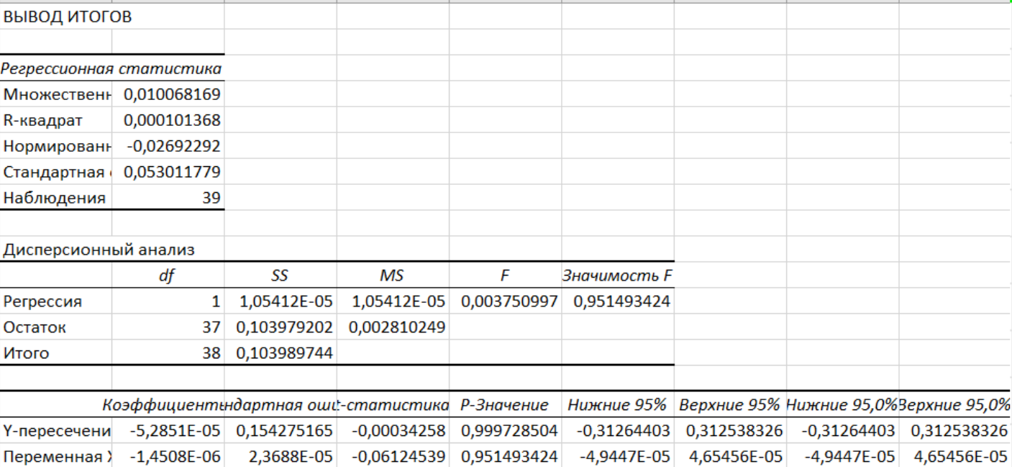
7 | -0.0033751115069 | 0.05 | 0.04
8 | 0.0035282498579 | -0.01 | -0.10
9 | 0.0037852971393 | 0.02 | -0.04
10 | -0.015475978571 | -0.04 | 0.00
11 | 0.010420691495 | -0.04 | 0.02
12 | -0.013772125011 | -0.04 | 0.00
13 | -0.0010373838613 | 0.15 | -0.01
14 | 0.0062966776567 | -0.03 | 0.02
15 | -0.0031017116907 | -0.02 | 0.02
16 | -0.035931780718 | -0.03 | 0.06
17 | 0.01985767054 | 0.02 | -0.06
18 | -0.000788522908 | -0.05 | 0.01
19 | 0.016555700868 | 0.06 | -0.03
20 | -0.0070918978977 | 0.07 | -0.13
21 | -0.018799444615 | -0.03 | -0.02
22 | -0.01673166757 | -0.03 | 0.02
23 | 0.024918695279 | 0.10 | 0.00
24 | -0.010734403547 | -0.04 | 0.04
25 | 0.0031097129612 | 0.02 | 0.01 |  | REGRESSION FOR ADIDAS
26 | -0.012014657071 | 0.03 | 0.01
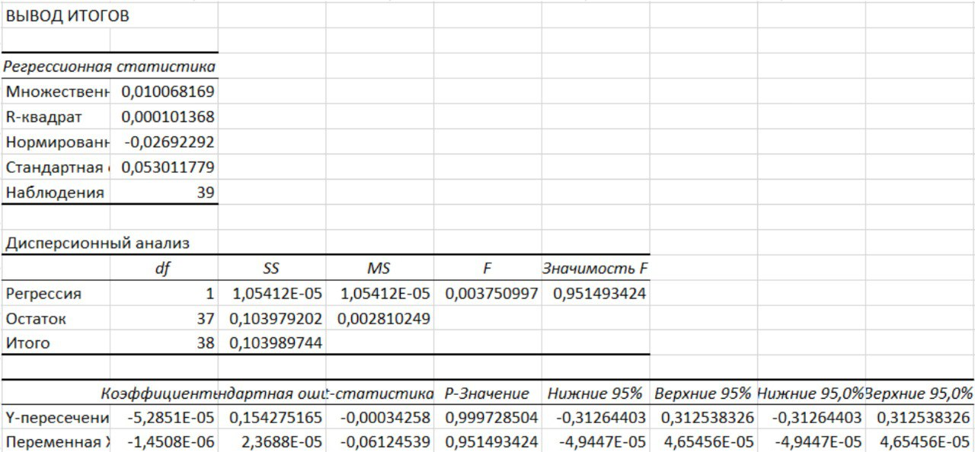
27 | -0.015611402292 | 0.01 | 0.01
28 | -0.0032770192085 | 0.05 | 0.06
29 | 0.0010293703349 | 0.01 | -0.03
30 | -0.0026457767311 | -0.02 | 0.03
31 | -0.0093568792831 | -0.04 | -0.01
32 | -0.023701570558 | 0.01 | 0.00
33 | 0.024147123842 | 0.02 | -0.16
34 | -0.01437708182 | -0.05 | -0.03
35 | -0.005882362283 | 0.00 | -0.01
36 | 0.0031311154599 | 0.05 | 0.01
37 | -0.016925318703 | -0.06 | 0.03
38 | -0.033246018594 | -0.17 | 0.02
39 | 0.0015298667525 | 0.01 | -0.02
40 | 0.0039133540908 | 0.03 | -0.05
41 | -0.014777446687 | -0.04 | -0.04
42 | -0.018416053616 | -0.01 | 0.03
43 | 0.026807655588 | 0.05 | -0.01
44 | -0.0500924748 | -0.08 | 0.05
45 | 0.0047279903744 | 0.01 | 0.01
46 | -0.028392714893 | -0.02 | -0.05
47 | -0.043891544394 | -0.03 | 0.09
48 | 0.01526870729 | -0.02 | 0.01
49 | -0.053936338415 | 0.05 | 0.00
50 | 0.099892000126 | 0.11 | -0.12
51 | 0.015520682896 | 0.07 | -0.01
52 | -1 | 0.05 | 0.00
53 | #DIV/0!

